D1
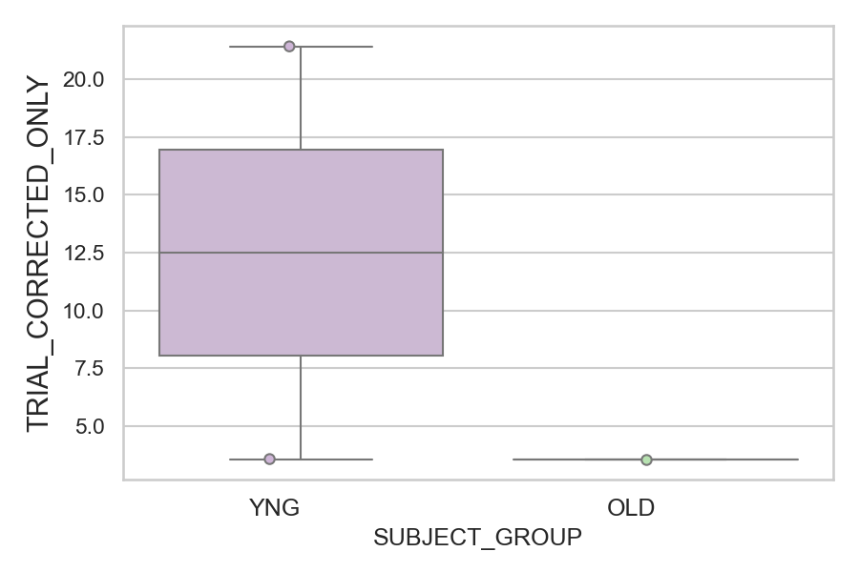
Total number of trials with corrected saccade (percentage)
SUBJECT_NAME | SUBJECT_GROUP | NUMBER_OF_CORRECTED_TRIALS | TOTAL_NUMBER_OF_TRIALS | SUBJECT_AGE | VALUE
AW002AF | YNG | 6 | 28 | 19 | 21.428571429
AW001CG | YNG | 1 | 28 | 19 | 3.5714285714
CP001CTA | OLD | 1 | 28 | 65 | 3.5714285714

D1 (types)
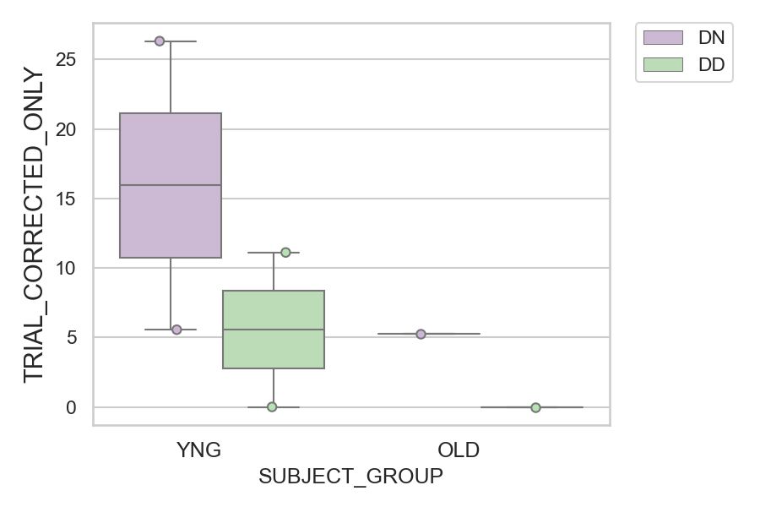
Total number of trials with corrected saccade (percentage)
SUBJECT_NAME | SUBJECT_GROUP | CONDITION_APPEARANCE | NUMBER_OF_CORRECTED_TRIALS | TOTAL_NUMBER_OF_TRIALS | SUBJECT_AGE | VALUE
AW002AF | YNG | DN | 5 | 19 | 19 | 26.315789474
AW002AF | YNG | DD | 1 | 9 | 19 | 11.111111111
AW001CG | YNG | DN | 1 | 18 | 19 | 5.5555555556
CP001CTA | OLD | DN | 1 | 19 | 65 | 5.2631578947
AW001CG | YNG | DD | 0 | 10 | 19 | 0
CP001CTA | OLD | DD | 0 | 9 | 65 | 0

